Sheet1
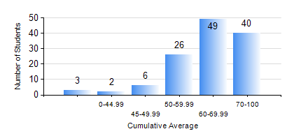
 |  |  | KWAME NKRUMAH UNIVERSITY OF SCIENCE AND TECHNOLOGY, KUMASI Department of Chemical Engineering

 |  |  | BSC. CHEMICAL ENG.

 |  |  | COMPREHENSIVE RECORD OF EXAMINATION RESULTS

 |  |  | RESULTS OF YEAR 1 FIRST SEMESTER, 2018/2019 ACADEMIC YEAR

 | Sn | Course Code |  | Course Name | Credit Hours | Min. Mark | Max. Mark | Avg. Mark | Std. Dev. | No. Passed | No. Trailed | No. (Df) | No. (I) | No. (I*) | No. Tagged(I,I*,Df) | Total
 | 0. |  |  |  |  |  |  | 0 | 0 | 0 | 0 | 0 | 0 | 0 | 0 | 6
 | 1. | CHE 151 |  | INORGANIC CHEMISTRY FOR ENGINEERS | 2 | 45 | 87 | 68 | 8.76 | 120 | 0 | 0 | 0 | 0 | 0 | 120
 | 2. | CHE 153 |  | ORGANIC CHEMISTRY FOR ENGINEERS | 2 | 40 | 86 | 61 | 10.39 | 120 | 0 | 0 | 0 | 0 | 0 | 120
 | 3. | CHEM 169 |  | PRACTICAL CHEMISTRY I | 3 | 23 | 77 | 63 | 7.39 | 119 | 1 | 0 | 0 | 0 | 0 | 120
 | 4. | EE 151 |  | APPLIED ELECTRICITY | 3 | 27 | 96 | 70 | 15.04 | 119 | 1 | 0 | 0 | 0 | 0 | 120
 | 5. | ENGL 157 |  | COMMUNICATION SKILLS I | 2 | 50 | 77 | 67 | 6.09 | 120 | 0 | 0 | 0 | 0 | 0 | 120
 | 6. | MATH 151 |  | ALGEBRA | 4 | 35 | 84 | 60 | 10.66 | 119 | 1 | 0 | 0 | 0 | 0 | 120
 | 7. | ME 159 |  | TECHNICAL DRAWING | 2 | 50 | 90 | 72 | 8.69 | 120 | 0 | 0 | 0 | 0 | 0 | 120

